Base Date
Data Set Date | Mar-19
Membership Level | 654
Number of Active Groups | 70
Number of Volunteers | 100 | estimated

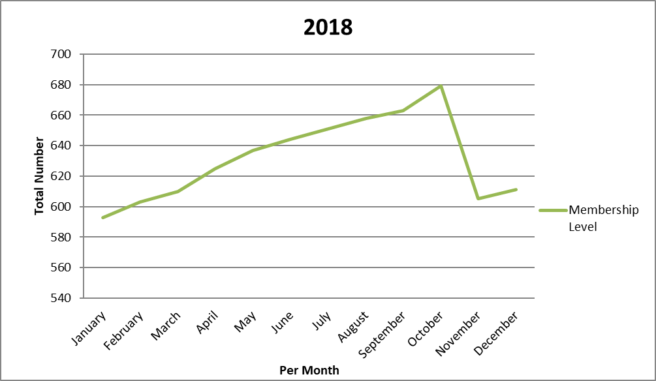
Membership Oct 2017 | 631
Membership Oct 2018 | 679
New Members | 48

From Survey:
Total Lapsed members | 45
Lapsed Members (after 1st year) | 22
Renewing members | 26

